模板
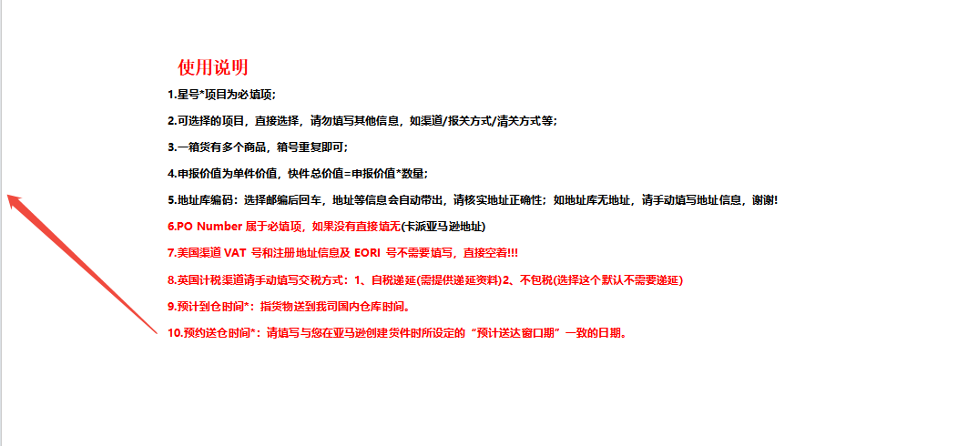
预计到仓时间* | 2025-10-18 |  |  | 带电* | 否
客户订单号 | 试单1111 |  |  | 带磁* | 否
服务* | 美国-快船海卡不包税-TRKU-监管仓 |  |  | 液体* | 否
地址库编码 | ITX3 |  |  | 粉末* | 否
收件人姓名* | Amazon |  |  | 危险品* | 否
收件人公司 | Amazon |  |  | 报关方式* | 买单报关
收件人地址一* | 8590 NE 24th Ave |  |  | 清关方式* | 一般贸易清关
收件人地址二 |  |  |  | 交税方式* | 不包税
收件人地址三 |  |  |  | 交货条款
收件人城市* | AMARILLO |  |  | VAT号*
收件人省份/州 | TX |  |  | EORI号*
收件人邮编* | 79108-7749 |  |  | VAT注册地址*
收件人国家代码(二字代码)* | US |  |  | VAT注册国家*
收件人电话 | 9999999999 |  |  | VAT公司英文名*
收件人邮箱 |  |  |  | 备注
箱数* | 1 |  |  | 所在货站* | 东莞清溪集散中心
预约送仓时间* | 2025-11-23~2025-11-29 |  |  | 注意:（预约送仓时间）为亚马逊创建货件时所设定的预送仓时间
货箱编号* | 货箱重量(KG)* | 货箱长度(CM)* | 货箱宽度(CM)* | 货箱高度(CM)* | 产品英文品名* | 产品中文品名* | 申报单价USD* | 单箱申报数量* | 产品材质* | 产品海关编码* | 产品用途* | 产品品牌* | 产品型号* | PO Number* 货件跟踪编码 | 产品带电* | 产品销售链接 | 产品销售价格 | 产品图片 用悬浮格式，不要镶嵌 | 产品重量(kg) | 产品ASIN | 产品FNSKU | 产品SKU
FBA*******U000001-10 | 22 | 46 | 38 | 47 | 22 | 22 | 22 | 22 | 22 | 22 | 22 | 22 | 22 | 没有填无

